Part 2
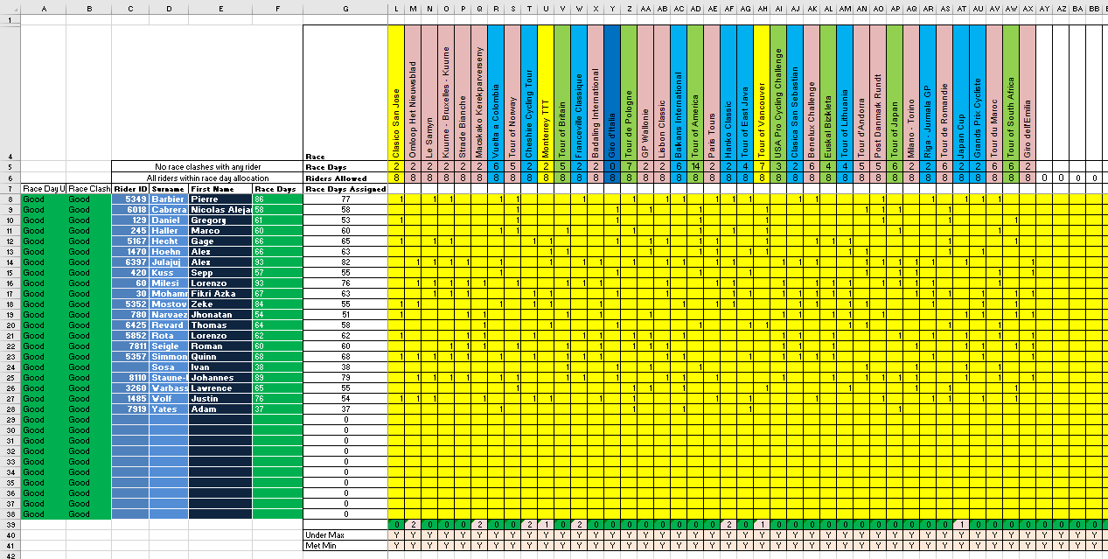
Complete Part 1 First
Do Not Delete Extra Rows or Columns on the Planner tab, you may hide them
Do Not delete extra columns on the Planner tab or resort the columns
Do Not edit the names of races in row 4 of the Planner tab, clash identification relies on the names as written

Step 1: On Planner Tab, enter rider information - From the DB take the ID, rider names, and race day allowances, and add them to the planner tab starting in cell C9

 | Make sure you get race day column for your division
 | Take care you copy paste the number and not any formula for the race days
 | Sort the riders in the order you want them before copying them in, do not resort in the planner tab
 | Do not delete extra rows on the Planner tab, you may hide them
 | Do Not edit the names of races in row 4 of the Planner tab, clash identification relies on the names as written

Step 2: If you have training - add it to the DB, run the macro (CTRL+SHIFT+O) and take the updated race day allowance!

Step 3: If you are a CT team for Junior Riders overwrite the race days value copied on to the planner in Step 1 with 40 (Junior riders only get 40 race days)

Step 4: Select races for each rider by placing a 1 in his row in the column on the selected race.

 | If you enter a rider into too many races, exceeding his race day allowance, cell C6 and the relevant row in column A will turn red
 | If you enter a rider into clashing races cell C5 and the relevant row in column B will turn red

Step 5: Validate you have entered sufficient riders in each race

 | Row 39 will show the number of slots remaining in that race (out of 8 for most races, 3 for ITTs), peach cells indicate the maximum rider have not been assigned
 | Row 40 will turn red if you have entered too many riders
 | Row 41 will turn red if you have entered too few riders (minumum of 6 in most races, 3 in ITTs)
 | Individual planner cells will turn red if you enter a value greater than 1

Step 6: PCT teams should validate they have not violated OVL and Stat maxes for C2 races

Step 7: Ensure there are not red cells in column A and B or rows 40 and 41 or in the yellow race entries from L8 to BB38 and submit planner per instructions in the forum thread

A completed planner will look something like this:

